Bug Report
Category | Label | Value
Bug ID | ID Number | #123
 | Title | Login - admin can not rest the password
 | Reporter | Madhawa
 | Submit date | 2024-06-25
Bug overview | Summary | If admin want to reset password there are no other option given in the website
 | URL
 | Screenshot | 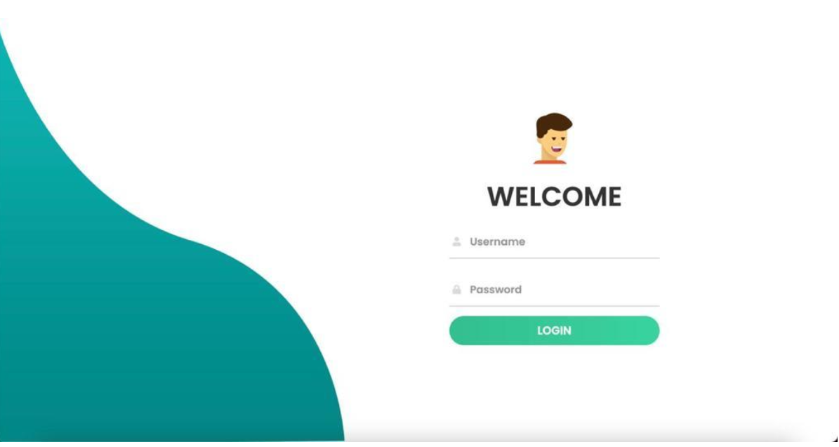
Environment | Platform | Macintosh
 | Operating System | Sonoma 14.6.1
 | Browser | Chrome
Bug details | Steps to reproduce | 1.Click the get started button
 | Expected result | Admin login page there will be reset password button
 | Actual result | There are no reset password button
Bug tracking | Severity | Major
 | Assigned to | Chethana
 | Priority | High
Notes | Notes | /

